Ex Model
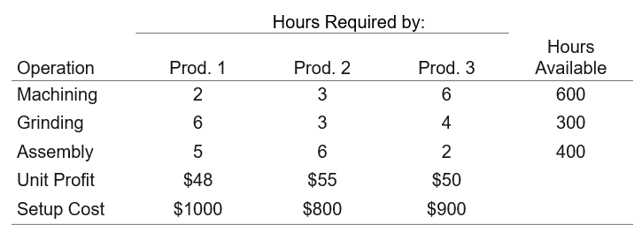

 | Product 1 | Product 2 | Product 3
# to Produce | 0 | 56 | 32
 |  |  |  |  | Total Profit
Unit Profit | $48 | $55 | $50 |  | $2,980
Setup Cost | $1,000 | $800 | $900

Resources | Hours Req'd |  |  | Used | Available
Machining | 2 | 3 | 6 | 360 | 600
Grinding | 6 | 3 | 4 | 296 | 300
Assembly | 5 | 6 | 2 | 400 | 400

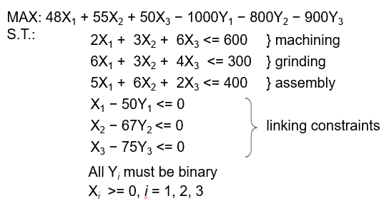
Binary Variables | 0 | 1 | 1
Linking Constraints | 0 | -11 | -43

Max If 1 Product | 50 | 67 | 75
Machining | 300 | 200 | 100
Grinding | 50 | 100 | 75
Assembly | 80 | 67 | 200

